Weekly Average
Team Name + Nickname |  |  | Average from: |  | 2020-06-08 |  | - |  | 2020-06-11

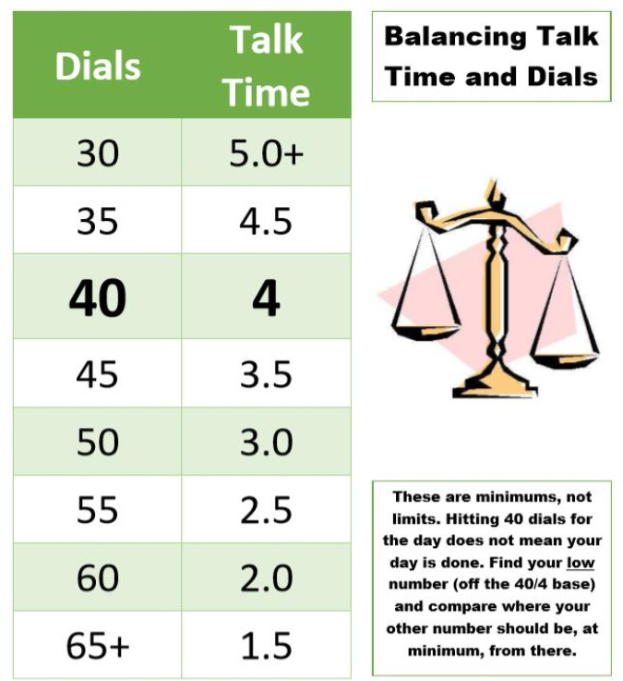
 |  |  | On-Queue | Inbound | Dials |  |  | Hours
 | Days Worked: | Enrollment Counselor: |  |  |  | Needed Based on Hours |  |  | Needed Based on Dials | Weekly Dials & Hours % To Goal | Goal:
 | 4.00 | EC 1 | 4:41:08 | 6.5 | 32 | 48 |  | 3:11:47 | 4:48:00 | 67% |  | > | 130%
 | 4.00 | EC 2 | 5:18:20 | 3.5 | 29 | 34 |  | 4:33:19 | 5:00:00 | 88% |  | >= | 100%
 | 4.00 | EC 3 | 4:39:42 | 3.8 | 32 | 45 |  | 3:31:38 | 4:49:30 | 72% |  | < | 100%
 | 5.00 | EC 4 | 4:47:33 | 8.2 | 58 | 49 |  | 3:03:26 | 2:13:12 | 127% |  | < | 70%
 | 4.00 | EC 5 | 4:02:55 | 5.8 | 40 | 43 |  | 3:44:15 | 4:03:00 | 92% |  | < | 50%
 | 4.75 | EC 6 | 3:37:29 | 5.4 | 45 | 41 |  | 3:53:08 | 3:30:00 | 110% |  | < | 30%
 | 6.00 | EC 7 | 5:20:37 | 6.0 | 29 | 41 |  | 3:53:29 | 5:00:00 | 74%
 | 5.00 | EC 8 | 4:04:32 | 5.8 | 34 | 34 |  | 4:33:20 | 4:33:36 | 100% | Weekly Intakes:
 | 3.50 | EC 9 | 4:48:10 | 6.5 | 44 | 56 |  | 2:21:11 | 3:39:00 | 71% | 136
 | 5.75 | EC 10 | 4:44:58 | 7.5 | 48 | 40 |  | 3:58:54 | 3:15:00 | 120%
 | 4.00 | EC 11 | 4:35:25 | 3.0 | 43 | 41 |  | 3:52:50 | 3:40:30 | 105%
 | 4.25 | EC 12 | 3:40:26 | 5.6 | 32 | 43 |  | 3:44:01 | 4:45:36 | 77%
 | 4.00 | EC 13 | 4:06:56 | 5.3 | 27 | 51 |  | 2:52:28 | 5:00:00 | 55%
 | 4.00 | EC 14 | 3:20:46 | 4.5 | 48 | 51 |  | 2:55:14 | 3:12:00 | 93%
 | 5.00 | EC 15 | 4:51:14 | 5.4 | 34 | 47 |  | 3:19:40 | 4:38:24 | 72%

Please Check out Daily: |  | Team Average: | 4:26:41 | 5.5 | 38 | 44 |  | 3:33:55 | 4:08:31 | 88%

